Sheet1
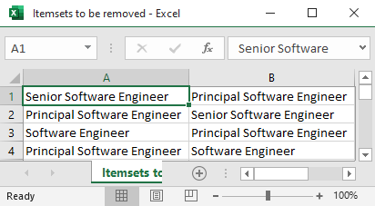
Step 1: Upload transposed CV dataset into script folder and run python code
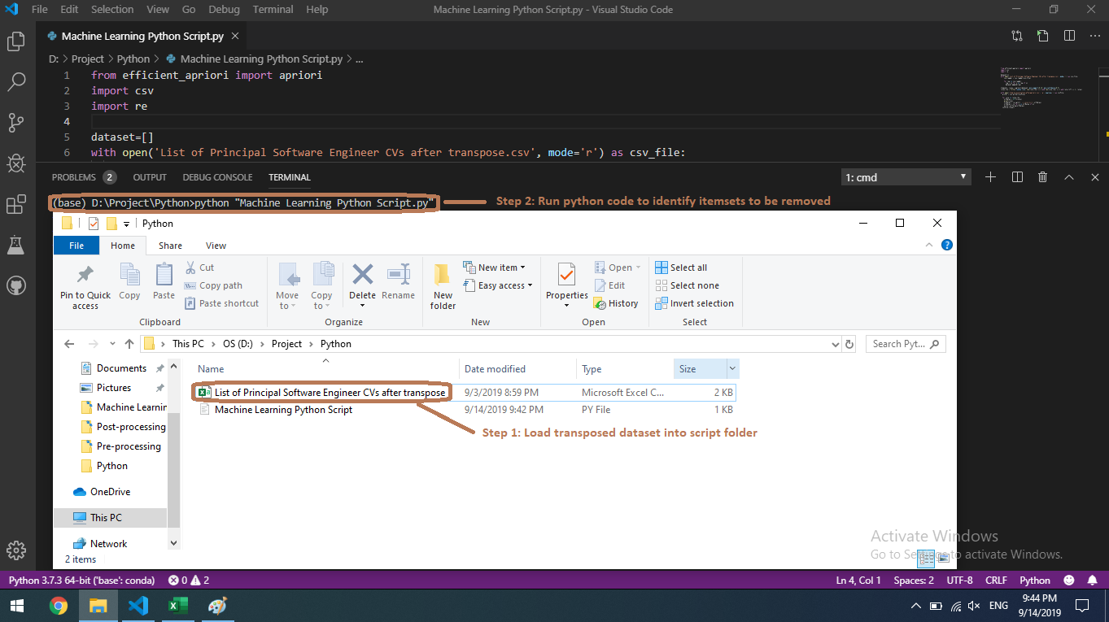

Step 2: Open generated itemsets to be removed for verification
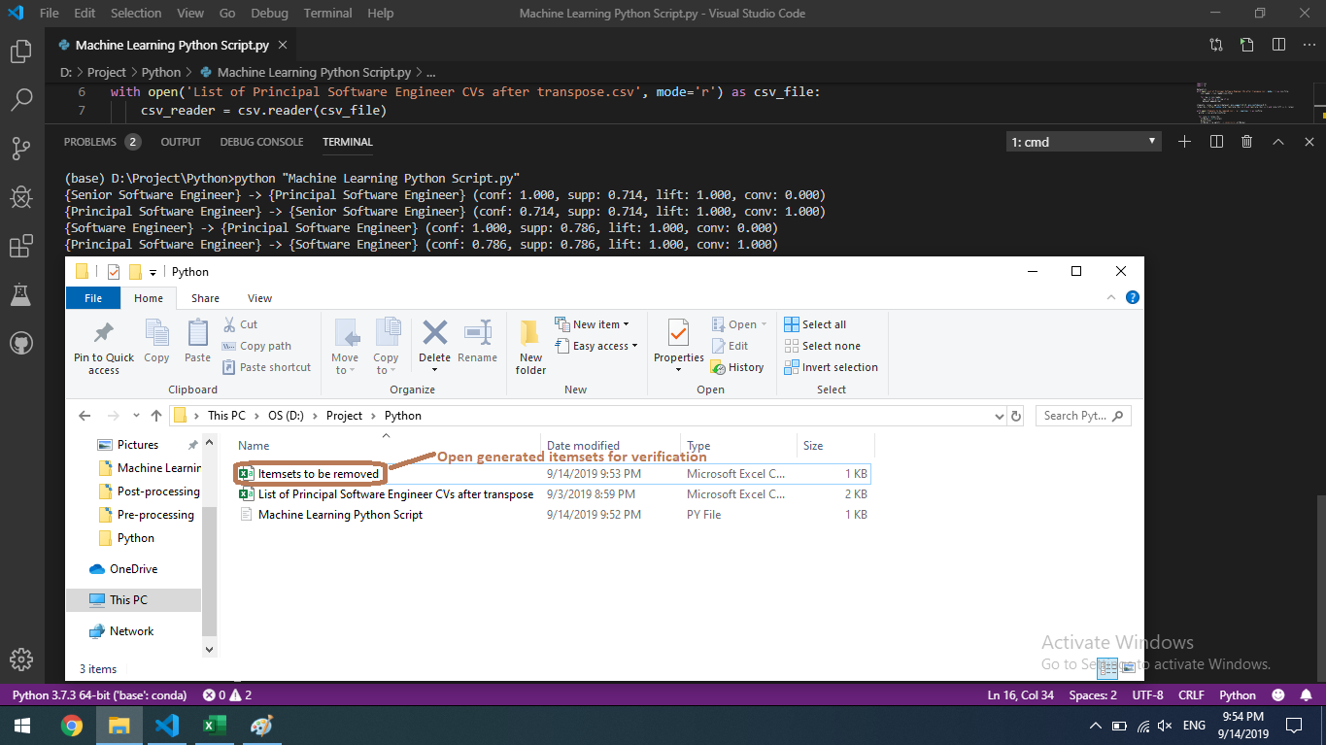

To be removed itemsets

